Chapter 12
Ross, Westerfield, Jaffe, and Jordan's Spreadsheet Master
Corporate Finance, 13th edition
by Brad Jordan and Joe Smolira
Version 13.0

Chapter 12

In these spreadsheets, you will learn how to use the following Excel functions:

Multifactor Regression Estimates

The following conventions are used in these spreadsheets:

1) Given data in blue
2) Calculations in red

NOTE: Some functions used in these spreadsheets may require that
the "Analysis ToolPak" or "Solver Add-In" be installed in Excel.
To install these, click on the File tab
then "Excel Options," "Add-Ins" and select
"Go." Check "Analysis ToolPak" and
"Solver Add-In," then click "OK."

Section 12.6
 | Chapter 12 - Section 5
 | Empirical Approaches to Asset Pricing

The In Their Own Words box by Kenneth French at the end of the chapter details the three-factor APT model that is frequently used to explain the cross-section of average stock returns. Estimating the three-factor model can be accomplished with a multi-factor regression in Excel. We went to Ken French's website and gathered the data for the three-factor model, which you will find on the Return Data worksheet, along with the returns for Amazon.com. On the AMZN regression worksheet, you will find the results for the three-factor APT regression estimate for Amazon.com stock.

We should note that the three-factor data on the website may be a different scale than your return calculations. In other words, the return calculation for the stock in Excel is a decimal while the excess return of the market in the data set may be 1.53 instead of .0153. What effect would it have on the regression if we did not change the scale of the independent variables?

RWJ Excel Tip
To estimate a multi-factor linear regression, go to the Data tab, Data Analysis, and select Regression, then Ok the same way we did for a single factor regression.

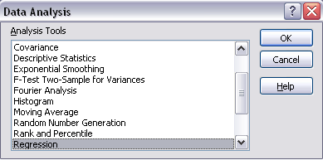

The input box for our linear regression looks like this:

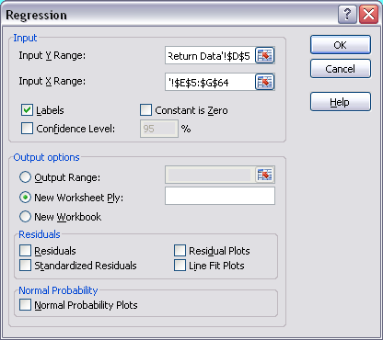

The Y input range is the dependent variable, in this case the stock returns, and the X input range is the independent variables, or three-factors. We included the row above the data and selected the Labels box, which will put a label on the output for the variables. Finally, we selected the Confidence Interval box and asked for a 95 percent confidence interval. Because Excel will allow you to enter the X variables as an array, it is easier to make sure that the X variables are in adjacent columns in the data table.

