Chapter 2
Ross, Westerfield, Jaffe, and Jordan's Excel Master
Corporate Finance, 13th edition
by Brad Jordan and Joe Smolira
Version 13.0

Chapter 2

In these spreadsheets, you will learn how to use the following Excel functions:

Cell formatting
Trace Dependents/Precedents
VLOOKUP
Referencing across worksheets

The following conventions are used in these spreadsheets:

1) Given data in blue
2) Calculations in red

NOTE: Some functions used in these spreadsheets may require that
the "Analysis ToolPak" or "Solver Add-In" be installed in Excel.
To install these, click on the File tab
then "Excel Options," "Add-Ins" and select
"Go." Check "Analysis ToolPak" and
"Solver Add-In," then click "OK."

Section 2.3
 | Chapter 2 - Section 3
 | Taxes

The income tax table for an unmarried individual in 2021 is:

 |  | Taxable income is greater than or equal to…. | But less than or equal to… | Tax rate
 |  | $- | $9,950 | 10%
 |  | 9,950 | 40,525 | 12%
 |  | 40,525 | 86,375 | 22%
 |  | 86,375 | 164,925 | 24%
 |  | 164,925 | 209,425 | 32%
 |  | 209,425 | 523,600 | 35%
 |  | 523,600 |  | 37%

Notice that we entered the minimum and maximum amount for each marginal tax rate in separate columns. We will explain why we did this shortly. The marginal tax rate is the tax on the next dollar of income. Suppose a single individual has the following income:

 | Taxable income |  | $100,000
 | Taxes |  | $18,289.50

 | The marginal tax rate will be:

 | Marginal tax rate |  | 24%

RWJ Excel Tip
To have Excel find the marginal tax rate at the requested level of income, we used VLOOKUP. This function is found under Lookup & Reference. The format for this function is VLOOKUP(lookup_value,table_array,col_index_num,range_lookup). The lookup_value is the number we want to find, in this case the taxable income. The table_array is where we want to look for the number, col_index_num is the column in the selected data we want the answer returned from, and range_lookup allows you to request an answer only for an exact match (if FALSE is entered) or an approximate match (the default, or if TRUE is entered.) In this case, we highlighted the entire table, used the cell with the net income amount as the lookup_value, and entered "3" as the col_index_num since we wanted the number from the 3rd column we highlighted returned as our answer. Since we did not enter a value for range_lookup, the default option was to look for the closest number and return the value from the column. Click on the marginal income tax rate calculation cell to see the syntax we used.
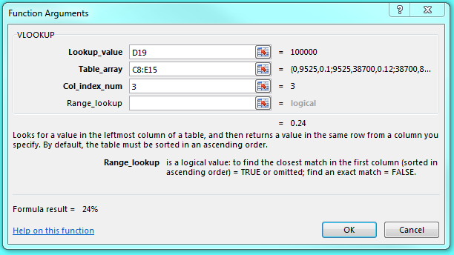

The average tax rate is the total taxes divided by the taxable income, or:

 | Average tax rate: |  | 18.290%

Of course, you could create a spreadsheet to calculate the total tax bill and average tax rate for a given level of taxable income. In fact, the Master It! problem at the end of this workbook asks you to create such a spreadsheet.

