Chapter 6
Ross, Westerfield, Jaffe, and Jordan's Spreadsheet Master
Corporate Finance, 13th edition
by Brad Jordan and Joe Smolira
Version 13.0

Chapter 6

In these spreadsheets, you will learn how to use the following Excel functions:

VDB
Solver
SLN

The following conventions are used in these spreadsheets:

1) Given data in blue
2) Calculations in red

NOTE: Some functions used in these spreadsheets may require that
the "Analysis ToolPak" or "Solver Add-In" be installed in Excel.
To install these, click on the File tab
then "Excel Options," "Add-Ins" and select
"Go." Check "Analysis ToolPak" and
"Solver Add-In," then click "OK."

Section 6.2
 | Chapter 6 - Section 2
 | The Baldwin Company: An Example

Because capital budgeting requires numerous repetitive cash flows, it is an ideal application for Excel. When doing a capital budgeting problem, as in most Excel uses, you should do few or no calculations on your own, but rather let Excel do the calculations for you. We will begin with the Baldwin Company project. We have the following projections for the project:

 |  |  | Year 1 | Year 2 | Year 3 | Year 4 | Year 5
 | Units sold per year |  | 5,000 | 8,000 | 12,000 | 10,000 | 6,000
 | Price per unit for Year 1 |  | $20.00
 | Price increase per year |  | 2%
 | Inflation rate |  | 5%
 | Tax rate |  | 21%
 | Unit production cost for Year 1 |  | $10.00
 | Increase in unit cost per year |  | 10%
 | NWC to start project |  | $10,000
 | NWC for subsequent years (as % of sales) |  | 10%
 | Depreciation rate |  | 20.00% | 32.00% | 19.20% | 11.52% | 11.52%
 | Cost of machine |  | $100,000
 | Cost of warehouse |  | $150,000
 | Pretax salvage value |  | $30,000

We will start off with some preliminary work, including the depreciation each year, sales price, and unit costs:

 |  |  | Year 1 | Year 2 | Year 3 | Year 4 | Year 5
 | Depreciation |  | $20,000 | $32,000 | $19,200 | $11,520 | $11,520
 | Accumulated depreciation |  | 20,000 | 52,000 | 71,200 | 82,720 | 94,240
 | Adjusted basis of machine |  | 80,000 | 48,000 | 28,800 | 17,280 | 5,760
 | Price per unit |  | 20.00 | 20.40 | 20.81 | 21.22 | 21.65
 | Sales revenue |  | 100,000 | 163,200 | 249,696 | 212,242 | 129,892
 | Cost per unit |  | 10.00 | 11.00 | 12.10 | 13.31 | 14.64
 | Operating costs |  | 50,000 | 88,000 | 145,200 | 133,100 | 87,846

The change in net working capital for each year is the beginning net working capital for each year minus the net working capital investment at the end of the year. So, the change in net working capital each year is:

 | Net working capital
 | Beginning NWC |  | $10,000 | $10,000 | $16,320 | $24,970 | $21,224
 | End of year NWC |  | 10,000 | 16,320 | 24,970 | 21,224 | -
 | NWC cash flow |  | $- | $(6,320) | $(8,650) | $3,745 | $21,224

The machine will have a salvage value at the end of the project, but we are concerned with the aftertax salvage value, which is:

 | Pretax salvage value |  | $30,000
 | Taxes on sale |  | 5,090
 | Aftertax salvage value |  | $24,910

Now we can calculate the pro forma income statement for each year (Table 6.1), which will be:

 | Sales revenue |  | $100,000 | $163,200 | $249,696 | $212,242 | $129,892
 | Operating costs |  | 50,000 | 88,000 | 145,200 | 133,100 | 87,846
 | Depreciation |  | 20,000 | 32,000 | 19,200 | 11,520 | 11,520
 | Income before taxes |  | $30,000 | $43,200 | $85,296 | $67,622 | $30,526
 | Taxes at 21% |  | 6,300 | 9,072 | 17,912 | 14,201 | 6,410
 | Net income |  | $23,700 | $34,128 | $67,384 | $53,421 | $24,115

With this, the incremental cash flows each year, NPV for different interest rates, and IRR for the project are (Table 6.4):

 |  |  | Year 0 | Year 1 | Year 2 | Year 3 | Year 4 | Year 5
 | Sales revenue |  |  | $100,000 | $163,200 | $249,696 | $212,242 | $129,892
 | Operating costs |  |  | 50,000 | 88,000 | 145,200 | 133,100 | 87,846
 | Taxes |  |  | 6,300 | 9,072 | 17,912 | 14,201 | 6,410
 | Cash flow from operations |  |  | $43,700 | $66,128 | $86,584 | $64,941 | $35,635
 | Bowling ball machine |  | $(100,000) |  |  |  |  | 24,910
 | Warehouse |  | (150,000) |  |  |  |  | 150,000
 | Net working capital |  | (10,000) | - | (6,320) | (8,650) | 3,745 | 21,224
 | Total cash flow of project |  | $(260,000) | $43,700 | $59,808 | $77,934 | $68,687 | $231,769

 | NPV
 | 4% | $155,809
 | 10% | $78,533
 | 15% | $28,968
 | 18.54% | $-
 | 20% | $(10,682)

A Note about Depreciation

There are actually six MACRS schedules: three-, five-, seven-, 10-, 15-, and 20-year schedules. The MACRS schedule is calculated using the depreciation according to the double declining balance method, and switching to straight-line depreciation when it is more advantageous. The three-, five-, seven-, and 10-year schedules use a factor of 2 (200%) when calculating the double declining balance depreciation amount, while the 15- and 20-year schedules use a factor of 1.5 (150%). Excel has a function, VDB, which can be used to construct a MACRS table. Below, we have constructed a MACRS table with all six schedules.

 |  |  | Equipment Life (Years)
 |  | Year | 3 | 5 | 7 | 10 | 15 | 20
 |  | 1 | 33.33% | 20.00% | 14.29% | 10.00% | 5.00% | 3.75%
 |  | 2 | 44.44% | 32.00% | 24.49% | 18.00% | 9.50% | 7.22%
 |  | 3 | 14.81% | 19.20% | 17.49% | 14.40% | 8.55% | 6.68%
 |  | 4 | 7.41% | 11.52% | 12.49% | 11.52% | 7.70% | 6.18%
 |  | 5 |  | 11.52% | 8.92% | 9.22% | 6.93% | 5.71%
 |  | 6 |  | 5.76% | 8.92% | 7.37% | 6.23% | 5.28%
 |  | 7 |  |  | 8.92% | 6.55% | 5.90% | 4.89%
 |  | 8 |  |  | 4.46% | 6.55% | 5.90% | 4.52%
 |  | 9 |  |  |  | 6.55% | 5.90% | 4.46%
 |  | 10 |  |  |  | 6.55% | 5.90% | 4.46%
 |  | 11 |  |  |  | 3.28% | 5.90% | 4.46%
 |  | 12 |  |  |  |  | 5.90% | 4.46%
 |  | 13 |  |  |  |  | 5.90% | 4.46%
 |  | 14 |  |  |  |  | 5.90% | 4.46%
 |  | 15 |  |  |  |  | 5.90% | 4.46%
 |  | 16 |  |  |  |  | 2.95% | 4.46%
 |  | 17 |  |  |  |  |  | 4.46%
 |  | 18 |  |  |  |  |  | 4.46%
 |  | 19 |  |  |  |  |  | 4.46%
 |  | 20 |  |  |  |  |  | 4.46%
 |  | 21 |  |  |  |  |  | 2.23%

RWJ Excel Tip
To construct the MACRS table, we used the variable declining balance (VDB) function. Constructing the MACRS table is tricky because of the half-year convention. Below you will see what we entered for the second year of the three-year MACRS schedule.
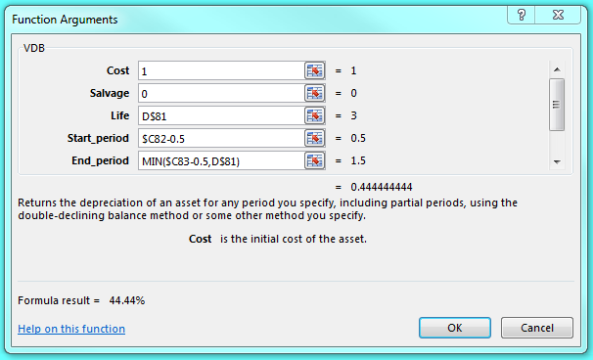

Cost is the cost of the equipment. In this case, we entered one in order to get the answers as a percentage rather than a dollar amount. Salvage is the salvage value, which is zero. Life is the life of the asset. Since we have a table here, we entered the column as a floating input and locked the row. This allows us to copy and paste the formula further down the table was well as across. The Start_period is the starting period for which we want to calculate the depreciation. With the half-year convention, we used the year and subtracted 1/2. To calculate the End_period, we used the MIN function. This function will return the lesser of the next year minus one-half, or the life of the asset. In most years we could have taken the next year minus one-half, but this would not work for the last year. Notice that this MIN function will not work for the first year since there is no prior year. So, for the first year, we eliminated the MIN function. Finally, the Factor is not shown on the picture above since Excel scrolls through the inputs in this case. We used a factor of two for the three-, five-, seven-, and 10-year schedules and a factor of 1.5 for the 15- and 20-year schedules.

Finally, note that the MACRS schedule we calculated can vary slightly from the table presented in the textbook. The reason is that the IRS publishes a MACRS schedule, which is the schedule we used in the textbook. However, you are allowed to calculate the schedule on your own based on the rules outlined by the IRS. If you do so, you will get the table above, not the table in the textbook (or the table published by the IRS!). In the future, we will use the table in the textbook for our calculations.

Section 6.4
 | Chapter 6 - Section 4
 | Some Special Cases of Discounted Cash Flow Analysis

To find the equivalent annual cost (EAC), we find the net present value of the project, then find the annuity that represents the annual cost based on the life of the project. Suppose we have two different options for a pollution control system, a filtration system or a precipitation system. The relevant numbers for each alternative are:

 |  | Filtration system | Precipitation system
 | Equipment | $1,100,000 | $1,900,000
 | Operating cost | $60,000 | $10,000
 | Life (years) | 5 | 8

 | Discount rate | 12%
 | Tax rate | 21%

We can calculate the NPV of each project as:

 |  | Income Statements
 |  | Filtration system | Precipitation system
 | Operating cost | $60,000 | $10,000
 | Depreciation | 220,000 | 237,500
 | EBIT | $(280,000) | $(247,500)
 | Tax | (58,800) | (51,975)
 | Net income | $(221,200) | $(195,525)

So, using the bottom-up approach, the OCF for each alternative is:

 | OCF | $(1,200) | $41,975

Now, we can calculate the PV of costs for each project:

 | NPV | $(1,104,326) | $(1,691,483)

Using the PMT function to find the EAC, we get:

 | EAC | $(306,350.71) | $(340,500.40)

In the final analysis, we should choose the system that is the least expensive, which is the filtration system.

Setting a Bid Price: A Capital Budgeting Extension
Suppose the company you work for is entering a competitive bidding process for a new project. How do you determine the minimum bid price you would be willing to put in for the project? We know that you would not want to lose money on the project from a financial perspective. From our capital budgeting discussion, we know that if the project has a zero NPV, we make exactly the required return on the project. So, the minimum bid price we should submit is the price that results in a zero NPV. Since we know all of the cash flows of the project such as the initial investment, salvage value, net working capital, etc., we can set up the cash flows we know and back into the price that results in a zero NPV. While doing this by hand is possible, it can often result in tedious calculations. Fortunately, Excel has a built-in function that will make the process much easier.

We are bidding on the following project. The contract will last for four years, and the equipment will be depreciated on a three-year MACRS schedule. What is the minimum bid price we could submit?

 | Equipment |  | $3,300,000
 | Pretax salvage value |  | $75,000
 | Units per year |  | 125,000
 | Price per unit |  | $21.92
 | VC as a percentage of sales |  | 45%
 | Fixed costs |  | $425,000
 | MACRS Year 1 |  | 33.30%
 | MACRS Year 2 |  | 44.40%
 | MACRS Year 3 |  | 14.80%
 | MACRS Year 4 |  | 7.40%
 | Immediate NWC |  | $80,000
 | Tax rate |  | 21%
 | Required return |  | 10%

We entered a price in the appropriate cell above. As we will show later, it does not really matter what price we entered. Next, we need to calculate the cash flows and NPV for the project with our hypothetical price. This will be:

 |  | Pro Forma Income Statements
 | Year | 1 | 2 | 3 | 4
 | Revenues | $2,739,410 | $2,739,410 | $2,739,410 | $2,739,410
 | Variable costs | 1,232,735 | 1,232,735 | 1,232,735 | 1,232,735
 | Fixed costs | 425,000 | 425,000 | 425,000 | 425,000
 | Depreciation | 1,098,900 | 1,465,200 | 488,400 | 244,200
 | EBIT | $(17,224) | $(383,524) | $593,276 | $837,476
 | Taxes (21%) | (3,617) | (80,540) | 124,588 | 175,870
 | Net income | $(13,607) | $(302,984) | $468,688 | $661,606
 | + Depreciation | 1,098,900 | 1,465,200 | 488,400 | 244,200
 | OCF | $1,085,293 | $1,162,216 | $957,088 | $905,806

To find the aftertax salvage value, we need to calculate the taxes. We get:

 | Pretax salvage value |  | $75,000.00
 | Taxes on sale |  | (15,750.00)
 | Aftertax salvage value |  | $59,250.00

The total cash flows for each year of the project are:

 |  | Project Cash Flows
 | Year | 0 | 1 | 2 | 3 | 4
 | OCF |  | $1,085,293 | $1,162,216 | $957,088 | $905,806
 | Change in NWC | $(80,000) |  |  |  | 80,000
 | Capital spending | $(3,300,000) |  |  |  | 59,250
 | Total cash flow | $(3,380,000) | $1,085,293 | $1,162,216 | $957,088 | $1,045,056

Finally, the NPV of the project at this unit price is:

 | NPV | $-

The minimum bid price is the price at which the NPV of the project is zero. We can use Solver to find this unit price (and much more.)

RWJ Excel Tip
To use Solver, go to the Data tab, then click Solver. The inputs we used for this problem are:
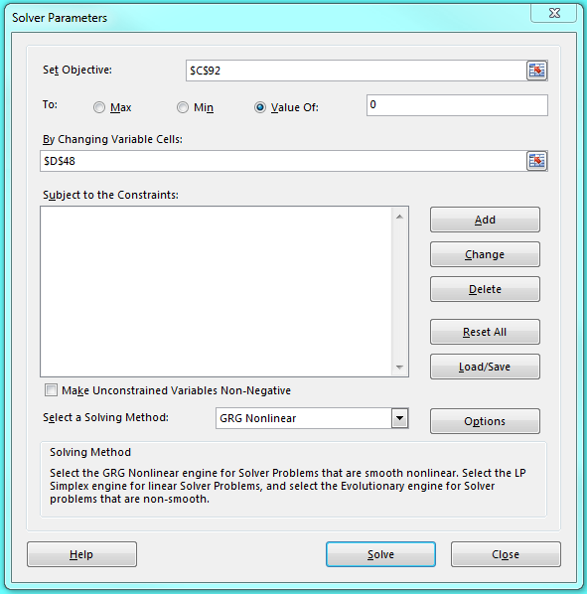

As you see, with Solver you first enter the target cell you would like to set to a specific value, in this case, the NPV cell. Since the lowest bid price is the price that results in a zero NPV, we chose to set the NPV cell equal to a value of zero. Next, we select the cell we would like to change in order to set the target cell equal to the value we chose. In this case, we changed the unit price cell. This is why the original value we entered for the unit price is irrelevant: Solver will change the value when it solves the problem. Note that after we used Solver, we restored the original value. On the next worksheet, you can see the answer report generated by Solver. In this case, the bid price that results in a zero NPV is:

 | Minimum bid price: |  | $21.92

We restored the original unit price so you could use Solver on this problem for practice.

NOTE: There is a bug in Solver that will occur occasionally. In some cases, Solver will not launch, or if you try to save one or more of the reports, you may see "Solver: An unexpected internal error or available memory was exhausted" pop up. In this case, the solution is to uninstall Solver and re-install it. To do this:

 | 1) Go to the File tab on the top left, click Excel options, choose Add-Ins, select Excel Add-Ins in the pulldown menu near the bottom of the box, and click on Go.
 | 2) Uncheck the Solver add-in and click OK.
 | 3) Go to the File tab on the top left, click Excel options, choose Add-Ins, select Excel Add-Ins in the pulldown menu near the bottom of the box, and click on Go. This is a repeat of Step 1.
 | 4) Check the Solver add-in and select OK.

Section 6.5
 | Chapter 6 - Section 5
 | Inflation and Capital Budgeting

Inflation should always be considered in any long-term project. As long as inflation is correctly handled, the NPV of the project will be the same. For example, consider the project proposed by Altshuler, Inc.

Example 6.11: Real and Nominal NPV
Altshuler, Inc., has generated the following forecast for a capital budgeting project. David Altshuler prefers to work in nominal terms, while Marissunta Giannetti prefers real cash flows. Whose approach is correct?

 |  |  | Year 0 | Year 1 | Year 2
 | Capital expenditures |  | $1,210
 | Revenues (real terms) |  |  | $1,900 | $2,000
 | Cash expenses (real terms) |  |  | 950 | 1,000
 | Depreciation |  |  | 605 | 605

 | Inflation rate | 10.0%
 | Nominal rate | 15.5%
 | Real rate | 5.0%
 | Tax rate | 21.0%

RWJ Excel Tip
To calculate the depreciation each year for straight-line depreciation, we can divide the initial cost by the life of the equipment, or we can use the built-in Excel function SLN as we have done here. The SLN we used in this case looks like this:
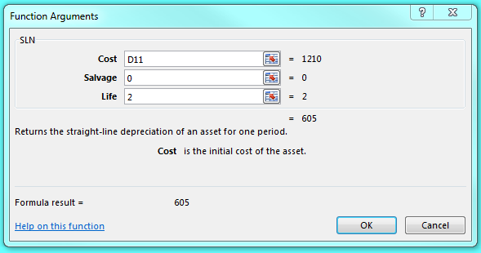

The inputs are Cost, which is the initial cost, Salvage, which is the salvage value, and Life, which is the life of the asset. In general, we usually find it easier just to divide the cost by the life of the equipment in the cell rather than use this particular function, but it is available if you prefer.

With these projections, we can generate the following nominal cash flows and NPV:

 | Nominal Cash Flows
 |  |  | Year 0 | Year 1 | Year 2
 | Capital expenditures |  | $(1,210)
 | Revenues |  |  | $2,090 | $2,420
 | Expenses |  |  | 1,045 | 1,210
 | Depreciation |  |  | 605 | 605
 | Taxable income |  |  | $440 | $605
 | Taxes (21%) |  |  | 92 | 127
 | Income after taxes |  |  | $348 | $478
 | Depreciation |  |  | 605 | 605
 | Cash flow |  |  | $953 | $1,083

 | NPV @ 15.5% | $426.55

We can also use real cash flows, which will be:

 | Real Cash Flows
 |  |  | Year 0 | Year 1 | Year 2
 | Capital expenditures |  | $(1,210)
 | Revenues |  |  | $1,900 | $2,000
 | Expenses |  |  | 950 | 1,000
 | Depreciation |  |  | 550 | 500
 | Taxable income |  |  | $400 | $500
 | Taxes (21%) |  |  | 84 | 105
 | Income after taxes |  |  | $316 | $395
 | Depreciation |  |  | 550 | 500
 | Cash flow |  |  | $866 | $895

 | NPV @ 5% | $426.55

When dealing with any cash flows, it is irrelevant whether you use real cash flows with the real interest rate or nominal cash flows with the nominal interest rate, the present value will always be the same.

